Sheet1
 | Document No. | Issue No. |  | Issue Date |  | Review and Replace Date |  | Authorised By
 | GFF470MC | 1 |  | 02.10.2024 |  | New Issue
 | Document Title | 12 Thai Fish Cakes 240g
 | New launch |  |  |  | Page |  | 1 of 1 | Magda Shah
Document amendments reason for change |  |  |  |  | Previous Issue Date |  | New Issue | Uncontrolled copy unless signed original

CFCAKB-R1TEB | BOOTHS - XMAS |  | 12 Thai Fish Cakes 240g
STEP 1 |  |  |  |  | STEP 2
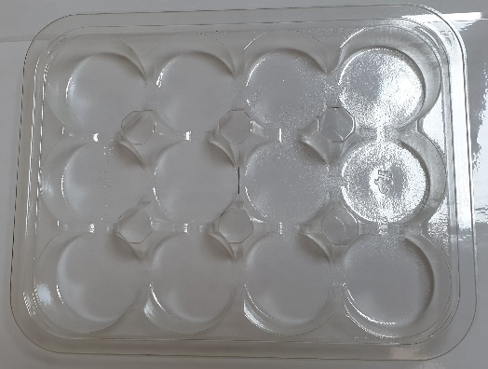 |  |  |  |  | 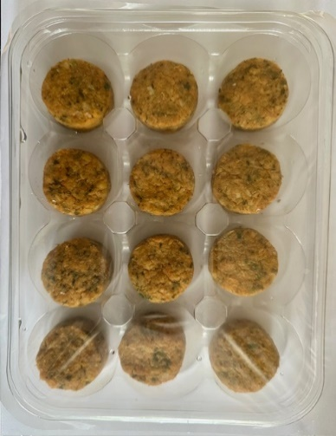

Tray: C5 12 CAV Round - CLEAR (PKHOL001-06) |  |  |  |  | 12 x Thai Fish Cakes 20g (GFF506R): 240g
Film: K Peel RPSM 25µm (340mmX1000lmm) (PKKMP001-05)
TOTAL WEIGHT: 240g

ALLERGY ALERT: FISH, SOYA, WHEAT

